Intro
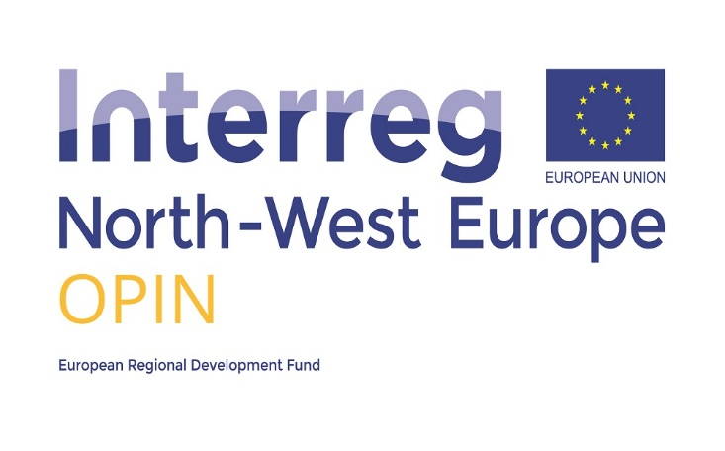
Information
These templates are to be filled in by both the undertaking (the final beneficiary) and by the project partner.
The final beneficiary
The final beneficiary fills in all the fields marked in grey in the "Self-declaration" tab, prints out the self-declaration in two copies, signs it, keeps one signed copy and sends the other signed copy to the responsible partner together with the electronic file.
Self-declaration

Project partner
The partner checks the completeness of the data, fills in the field marked in green in the "Letter" tab, prints out the letter in two copies, signs it, keeps one copy and sends the other copy to the final beneficiary.
Letter
To calculate the amount of de minimis granted, the Programme recommends to apply the real costs e.g. if an SME received support from an expert, calculate all the costs which were related to this support (for example expert hourly rate x number of hours, travel costs of the expert, the cost of organisation of the consultations etc.). If a training was offered as de minimis aid and there is no informaton on the costs of similar trainings organised by the competition, calculate the total cost of the training (expert costs, catering, rental) and divide it by the number of participants.

Documents retention period
Both the final beneficiary and the project partner must keep all documents regarding State aid (the self-declaration and the letter)for 10 years from the date aid was granted. If requested by the EC, these documents and any supporting documentation must be presented to the EC within 20 working days.

